Avg_RouterValues
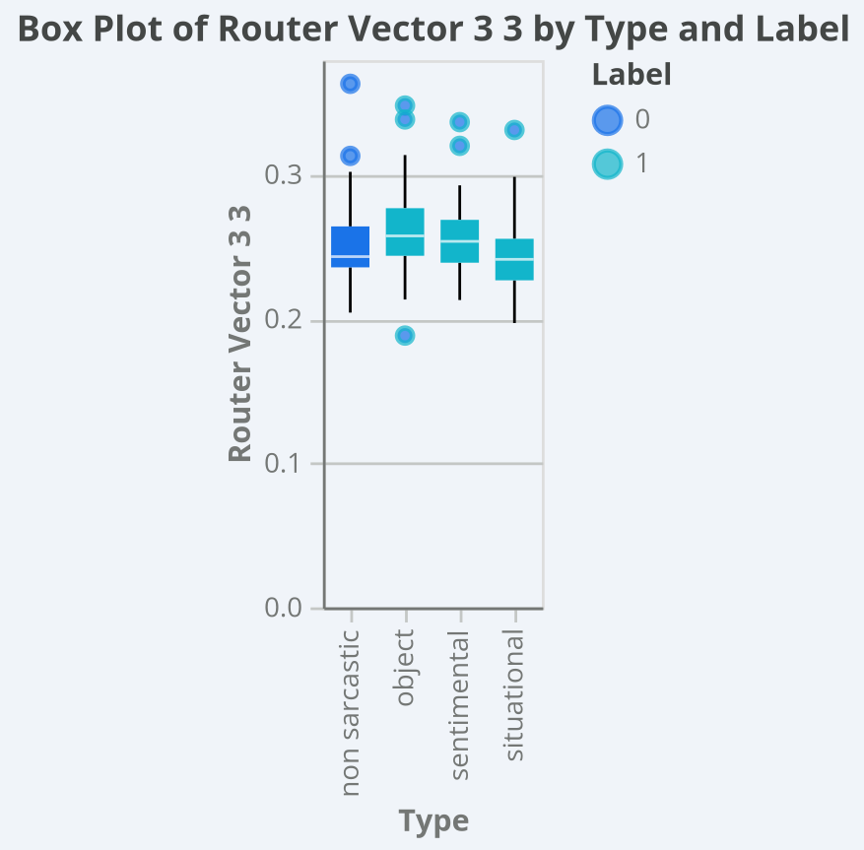
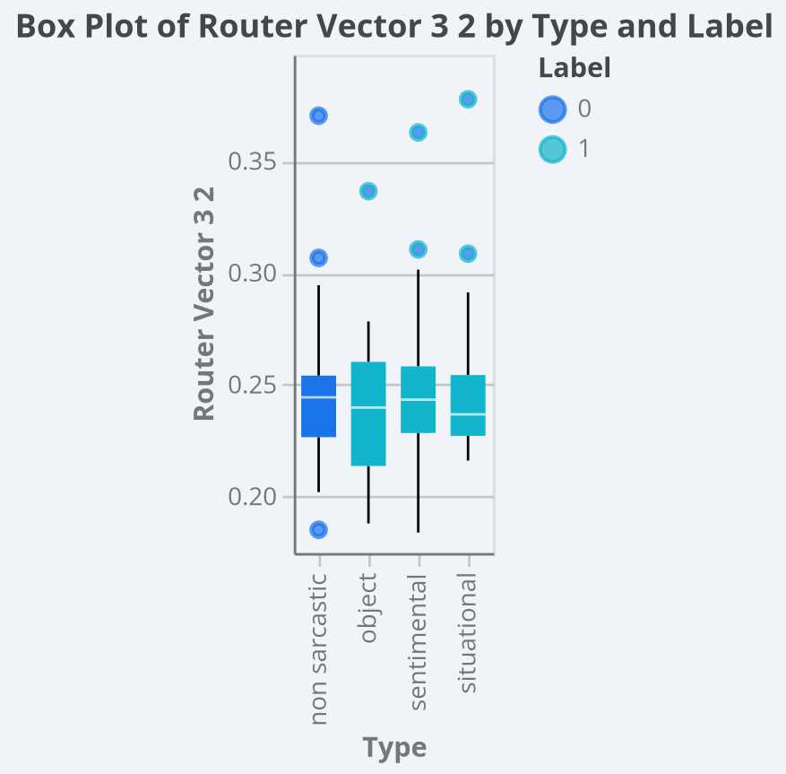
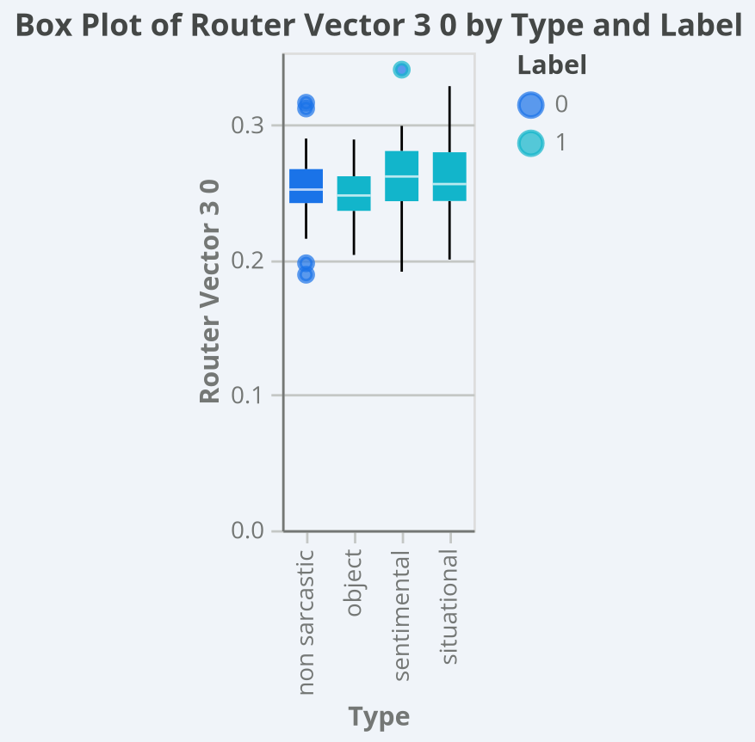
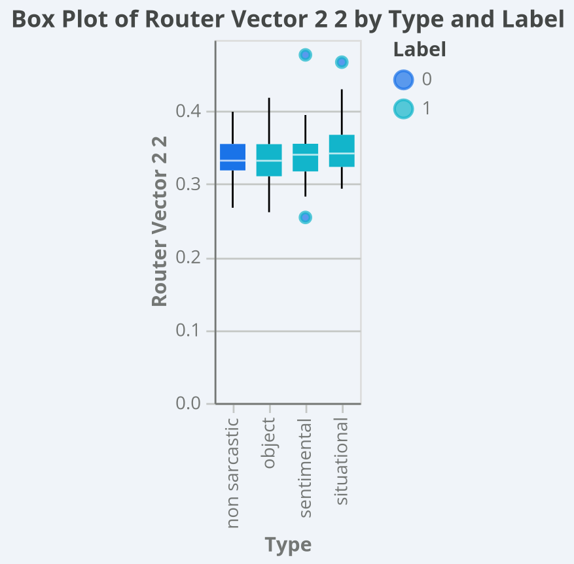
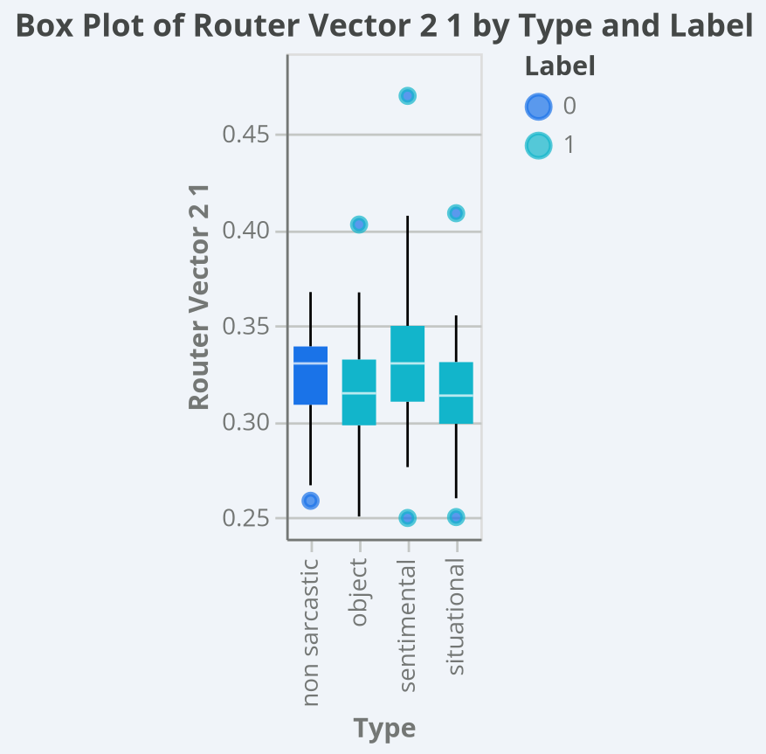
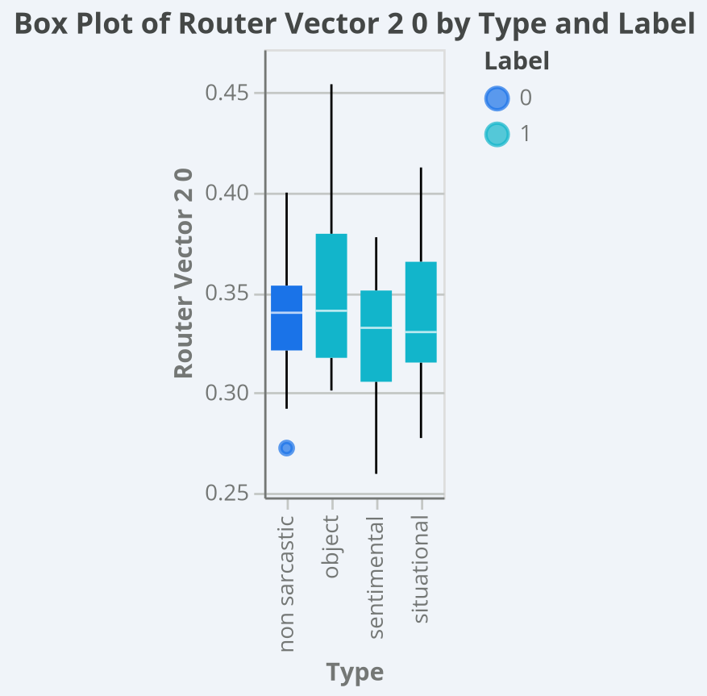
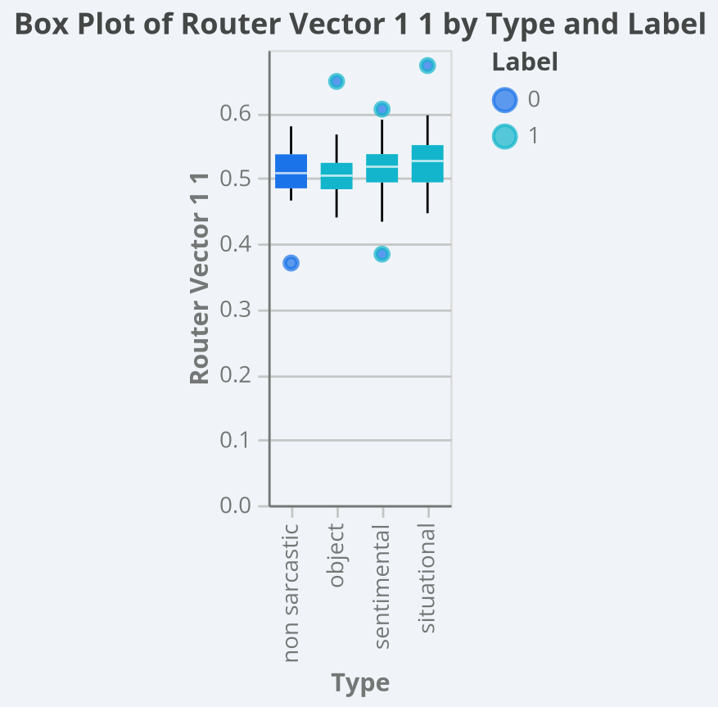
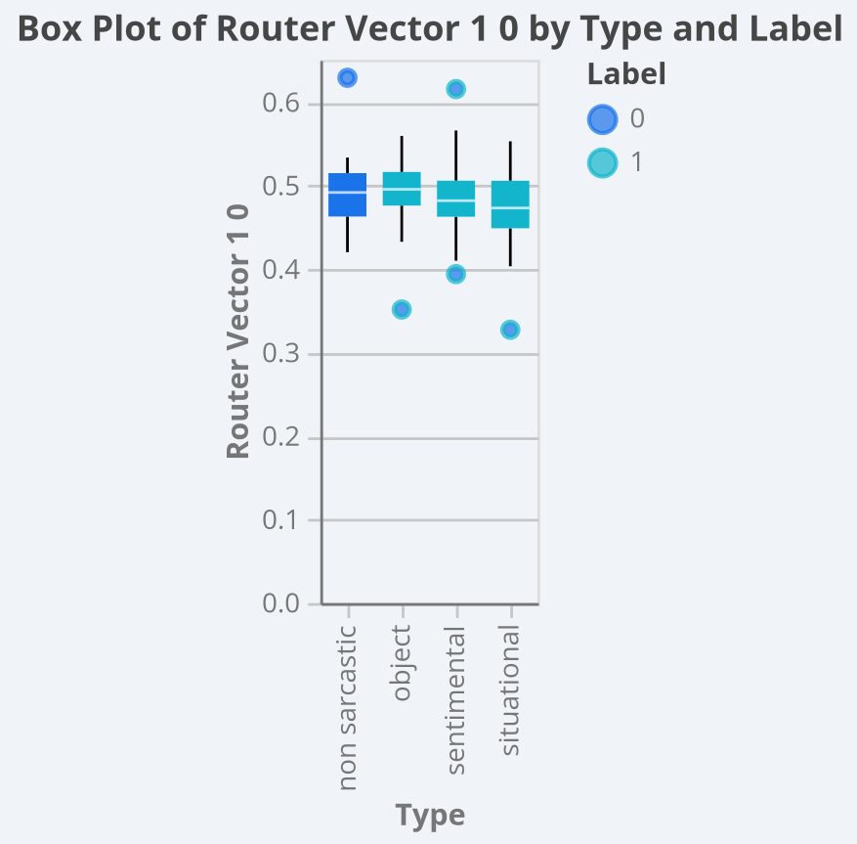
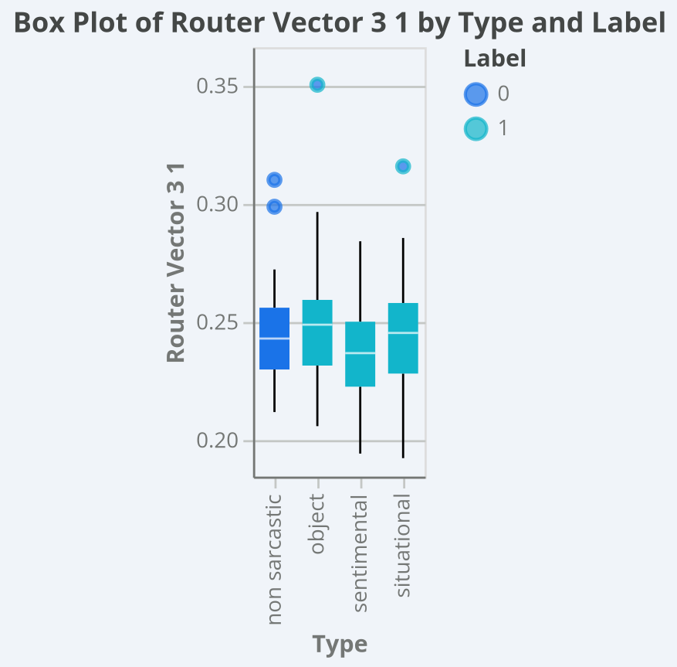
Mean
category | router_vector_0 | router_vector_1_0 | router_vector_1_1 | router_vector_2_0 | router_vector_2_1 | router_vector_2_2 | router_vector_3_0 | router_vector_3_1 | router_vector_3_2 | router_vector_3_3
Non-sarcastic | 1 | 0.4909548015 | 0.5090451936 | 0.3383417647 | 0.3246674836 | 0.3369907539 | 0.2538382322 | 0.2449407925 | 0.2471829166 | 0.2540380633
Object | 1 | 0.4923979253 | 0.5076020817 | 0.3513849655 | 0.3158217827 | 0.3327932547 | 0.2482400293 | 0.2513178975 | 0.2381144464 | 0.2623276258
Sentiment | 1 | 0.488469679 | 0.5115303151 | 0.3263113354 | 0.3336538544 | 0.3400348067 | 0.2608051589 | 0.2364998541 | 0.2470092497 | 0.2556857399
Situational | 1 | 0.471688602 | 0.5283113889 | 0.3366630529 | 0.3137256152 | 0.349611333 | 0.2622470396 | 0.2465175747 | 0.247653777 | 0.2435816106

Std. Deviation
category | router_vector_0 | router_vector_1_0 | router_vector_1_1 | router_vector_2_0 | router_vector_2_1 | router_vector_2_2 | router_vector_3_0 | router_vector_3_1 | router_vector_3_2 | router_vector_3_3
Non-sarcastic | 0 | 0.04104950732 | 0.04104950048 | 0.02744483133 | 0.02487811361 | 0.03265405688 | 0.02822806213 | 0.02329876718 | 0.03497517046 | 0.03266576561
Object | 0 | 0.04349133431 | 0.04349133385 | 0.0411094502 | 0.03078487622 | 0.03704631634 | 0.02322851769 | 0.02760091748 | 0.03131658443 | 0.03421733624
Sentiment | 0 | 0.04743298227 | 0.04743298307 | 0.03310523585 | 0.04198794525 | 0.0397063198 | 0.03027463869 | 0.02356239703 | 0.0325887527 | 0.02782553123
Situational | 0 | 0.0440511158 | 0.04405110975 | 0.03486196811 | 0.03052318178 | 0.03917847378 | 0.02795004211 | 0.02523557713 | 0.03286371803 | 0.0289819291

